Template
Warehouse manager's Dashboard
S.No. | KPI | Graphic | Process | Impact on overall function | Remarks
1 | Receiving efficiency | 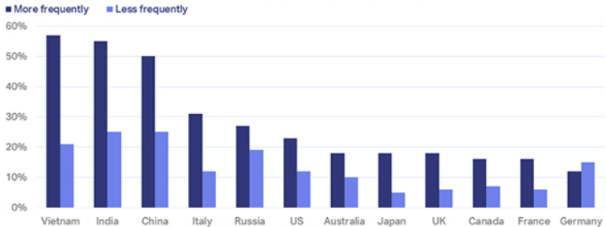 double (or group) vertical bar graph, | ▪It is the time taken for received stock to be counted, booked in and ready to put away. ▪Receiving efficiency= Time between purchase order(PO) delivery & items being ready for sale. | ▪It helps the warehouse manager to calculate an average for the month and compare to previous performance, by recording exact timestamps of all delivered stock, and then recording another timestamp as soon as this stock is ready for putting away. | To improve the receiving efficiency, ▪we can systemise the process and assign the task only to trained staff. ▪We can create a unique stock-keeping unit (SKU) to individual product variants. ▪We can assign each SKU to a specific warehouse bin location for quick put away.
2 | Picking accuracy | 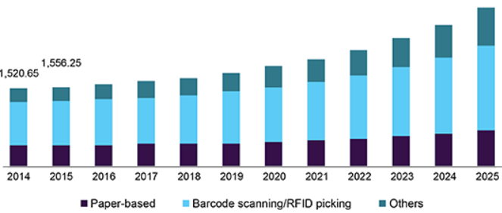 stacked bar graph, | ▪It gives a percentage of the number of orders that were picked correctly. ▪Picking accuracy = (Total orders- Incorrect item returns)/Total orders x 100 | ▪It has a huge impact on costs and customer satisfaction. ▪It helps the workers to efficiently segregate products. ▪It results in less hassle and more productivity within the warehouse. | To improve the picking accuracy, ▪we can organise and setup the warehouse in a logical way. ▪We can use the most appropriate picking systems for the operation. ▪We can invest in minimising labour turnover to keep experienced pickers around longer. ▪We can adopt a digital pick and pack system with the use of a barcode scanner.
3 | Carrying costs | 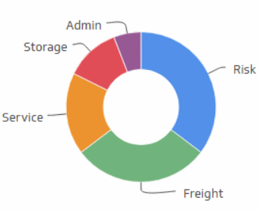 Donut chart, | ▪Total carrying costs is the sum of everything it costs a business to hold its stock over a certain timeframe. This includes costs like cost of capital, storage costs, equipment & software, materials, and taxes. ▪Carrying cost (%) = (Inventory holding sum / Total value of inventory) x 100 ▪Inventory holding sum = Inventory service cost + Inventory risk cost + Capital cost + Storage cost | ▪It helps the warehouse manager to make more informed buying and demand forecasting decisions as well as which inventory control methods to put into place. ▪The longer inventory stays in the warehouse, the more it costs a business. ▪It allows us to how much profit current stock is truly bringing, and what impact warehouse performance is having on this. | To improve carrying costs, ▪we can embrace automation to reduce labour costs without sacrificing warehouse productivity. ▪We can improve forecasting to limit amount of time inventory sits in the warehouse. ▪We can work to reduce inventory shrinkage taking place.
4 | Inventory turnover | 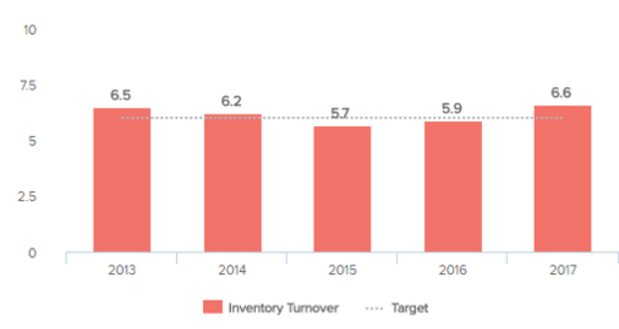 Bar chart, | ▪It is the frequency at which one sells out the inventory.It is something which tells how quickly one sells and ships stock once it's been put into storage. ▪Inventory turnover = cost of goods sold / Average inventory | ▪The faster you move stock, the less it costs to store it and the more profit you can make on it. ▪It enables greater insight into the popularity of certain items to gauge future buying practices. | To improve inventory turnover, ▪we can master the inventory forecasting skills. ▪We can identify slow moving stock and put inventory reduction strategies in place.
5 | Rate of return | 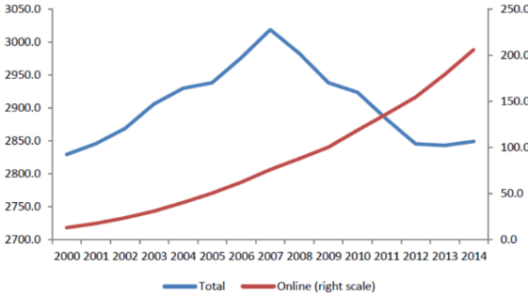 Line graph, | ▪It determines how often items are being returned by customers. ▪Rate of return = (Units returned/Units sold) x 100 ▪We can make best use of this KPI to segment by reason for return. Means, under this KPI , we first determine several different return reasons and then analysis each one. | ▪It helps the warehouse manager to start looking at exact reasons why this KPI may be high and put into place strategies to resolve. ▪For example, A lot of returns due to incorrect item indicates the picking process needs looking at.Whereas a lot of buyer's remorse returns may mean something in the sales channel product description needs addressing. | To improve rate of return, ▪we can segment by reason and investigate. ▪We can ensure product descriptions are accurate. ▪We can train staff on your systems and product catalogue. ▪We can store products in a way that minimises spoilage and damage. ▪We can give packers a barcode scanner to confirm accuracy before shipping out.
6 | Backorder rate | 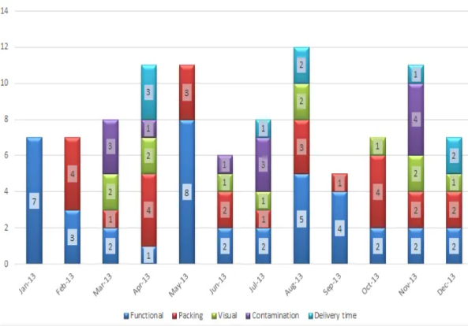 Stacked bar graph, | ▪It allows deep analysis of forecasting and purchasing success. ▪It creates a really bad experience for customers and should be tracked and minimised. ▪Back order rate = (Total back orders/Total orders) x 100 | ▪A high backorder rate means a lot of orders are coming in for items that aren't in stock.Sudden unexpected rises in demand can account for this. ▪ If the backorder rate KPI is consistently high, then it's likely a result of poor planning, forecasting and inventory tracking. | To improve backorder rate, ▪we can forecast using as much data as possible. ▪We can use properly determined reorder points and safety stock. ▪We can use best inventory tracking practices to prevent overselling.
7 | Order lead time | 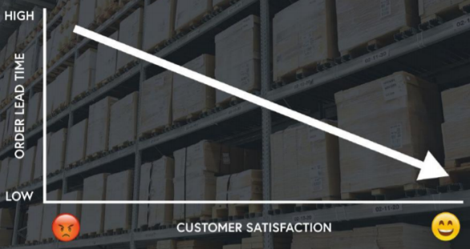 Line graph, | ▪It is the average length of time it takes for customers to receive orders once they are placed. | ▪The lower one can get order lead time, the happier their customers are going to be. | To improve order lead time, ▪ we can make sure that one is managing orders in the beat way possible. ▪We can choose the right picking system for the business, and consider digital batch picking. ▪We can use a better/quicker shipping carrier/service. ▪We can bulk ship orders to get more out the door per day.

